Instructions for completion
INTERNAL CONTROL ASSESSMENT FRAMEWORK Instructions for completion
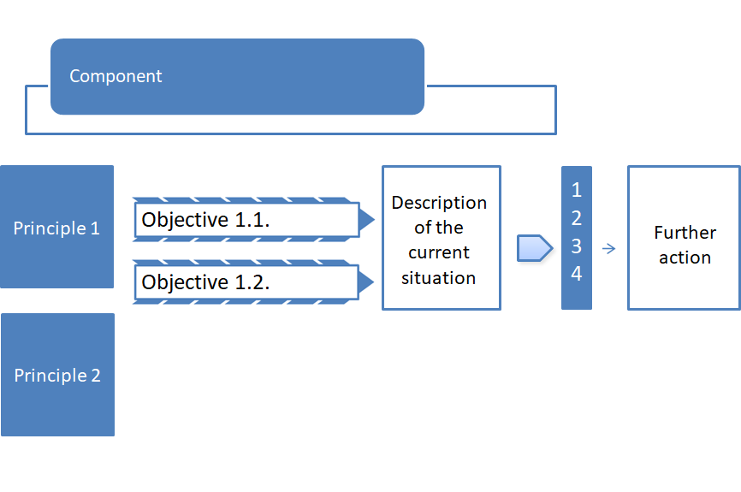 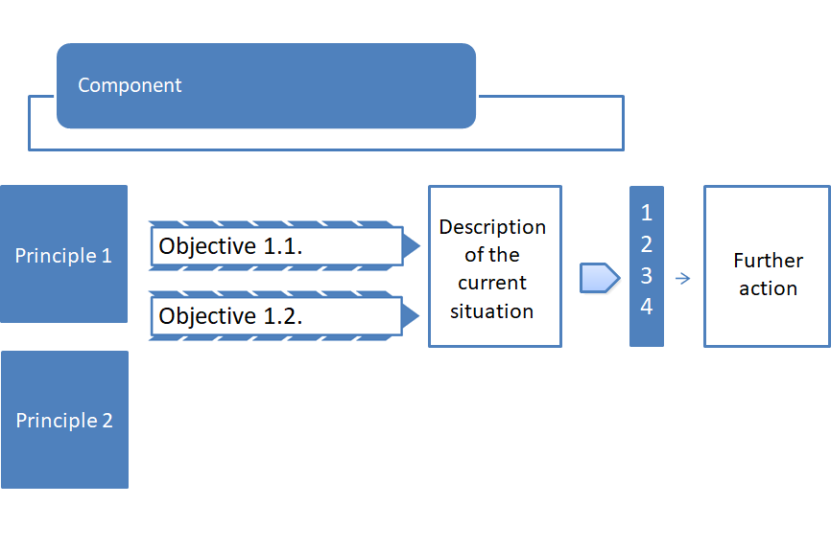 The assessment framework is based on the international COSO 2013 model for internal control. The framework has been adjusted to take account of the central government control and management system. The description of internal control is divided into five components: 1. Control environment 2. Risk assessment 3. Control measures 4. Information and communication 5. Monitoring activities The components are further divided into principles. In the assessment framework, an ‘Objective’ (what is required of a good control and management system) is set for each of the internal control principles. The objectives have been formulated on the basis of the general requirements observed in central government and laid down in the State Budget Act and Decree, Administrative Procedure Act and the State Civil Servants Act. The purpose of the detailed questions listed in the description of each objective is to set out ways to achieve the objective. Documents and other sources that contain internal control components and that can be used to assess the state of internal control are listed in the ‘References’ column. The framework is intended as a recommendation and it can be adjusted in accordance with the needs of the agency concerned and the terminology it uses. The framework should be used as applicable and the number of areas for assessment should be adjusted and the objectives formulated in accordance with the agency’s own guidelines and targets. Separate instructions are available to support the assessment process: Instructions for using the internal control assessment framework.

The assessment framework should be used as follows:
• Describe how the objective set out under each principle has been achieved in the activities assessed. - You can use the detailed questions in the assessment process. - Enter in the ‘Current situation’ column a description of the agency’s control and management system and how the system falls short of the objective.
• Compare the current state of affairs against the objectives and each of the principles and enter your own assessment in the ‘Your own assessment of the current situation’ using the following four-stage scale:
0 No assessment
1 Internal control is not properly organised and/or it does not exist
2 Not all areas of internal control are properly organised or there are major inadequacies in the control process
3 Most areas of internal control are properly organised but a small number of inadequacies have been identified
4 Internal control is properly organised and no inadequacies have been identified

Please note You can describe the current situation by assessing compliance with individual principles or objectives. For example, you can assess the achievement of the objective on a scale ‘everything in place/inadequacies identified/improvements needed’. However, you should only assess compliance with the principles when evaluating the current situation on the scale of 1 to 4.
• Enter in the column ‘Further action’ the measures that will be taken to improve the control and management system so that it will be in accordance with the objective. - Completing this column is mandatory if ‘Your own assessment of the current situation’ is 1 or 2. - If ‘Your own assessment of the current situation’ is 0. you must give the reasons why compliance with the principle has not been assessed.
• List under ‘References’ the (internal) agency rules, guidelines, instructions, documents and other sources that can be used to substantiate the assessment. - Information used as models can be deleted as necessary.
At the end of each internal control principle, you can enter a more detailed assessment of how your agency complies with the principle.
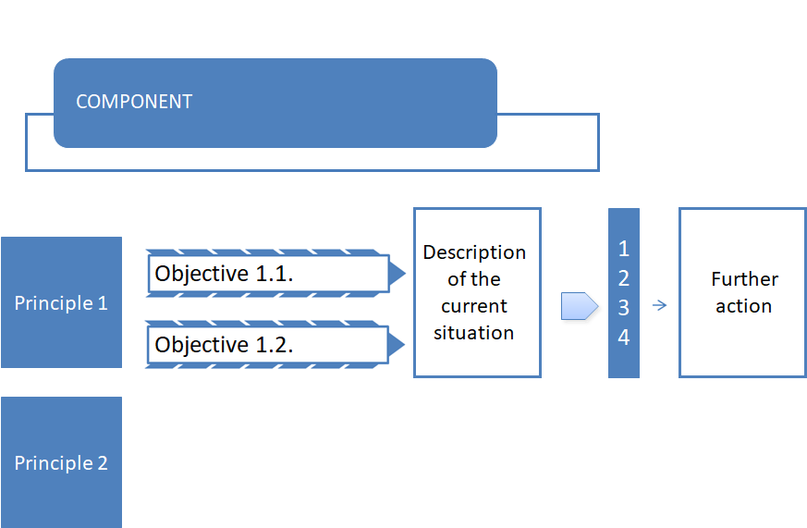

Principle2

